Instructions
V2.1 Feb2023
LDB Cannabis Operations New Product Submission Template
To initiate your new product application, please fill out the appropriate tab and return the completed form to cannabis.products@bcldb.com along with any supporting sales decks/ materials.
Incomplete or missing information may result in delays or a declined application

Step 1: | Locate the appropriate worksheet for your product submission: |  |  | Step 2: | Add the required details completely, referring to the examples beginning in row 6 on each worksheet.
 |  |  |  |  | Note that the example rows can be easily hidden by clicking the minimizer box shown by the red arrow below:
 | Worksheet name | Applicable to following product categories:
 | Flower, Pre-roll, Seeds | Flower | Seeds
 |  | Pre-rolls
 | Inhalable E&C (infused PR) | Infused pre-rolls Cartridges Disposable Vapes Vape Kits Shatter Hash | Resin & Rosin Wax Dry Sift Other Inhalable Extracts (Diamonds, badder, budder, terp sauce, etc.) |  | 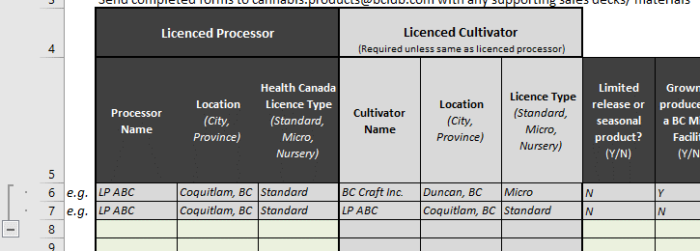
 | Ingest. E&C, Edibles, Beverages | Oils & Capsules Other Ingestible extracts & Concentrates Chews Chocolate | Baked Goods Hard Candy Other Edibles Beverages Dry Tea & Coffee Drink Mix
 | Topicals | Creams & Lotions Bath Products Other Topicals Balms Massage oils & Lubricants

Step 3: | Return completed forms to cannabis.products@bcldb.com along with any supporting sales decks/ materials to initiate your new product application.
Step 4: | The BCLDB Category Management team will review your product submission. You will be notified if additional information is required and if your product application has been successful.
Step 5: | If any of your submitted products are approved by the BCLDB Category Management team, you will be guided through our new vendor and product registration process

